Sheet1
 |  |  |  |  |  |  | afm regular |  |  |  | whatsapp
 |  |  |  |  |  |  | afm resit |  |  |  | +923453086312
 |  |  |  |  |  |  | afm crash |  |  |  | taha popatia
 |  |  |  |  |  |  | afm webinar

 |  |  |  |  |  |  |  |  |  |  | taha popatia
 |  |  |  |  |  |  |  |  |  |  | afm regular

 |  |  |  |  |  |  |  | document
 |  |  |  |  |  |  |  |  | afm useful tips |  | acca | 25 minutes
 |  |  |  |  |  |  |  |  | september 2023 resit orientation - vifhe youtube |  |  |  |  | megha
 |  |  |  |  |  |  |  |  | december 2023 resit orientation - vifhe youtube |  |  |  |  | athira and gibson

 |  |  |  |  |  |  |  | crash + mock == support staff

 |  |  |  | theory
 |  |  |  |  |  | 67 pages booklet

 |  |  |  |  |  | assumptions
 |  |  |  |  |  |  |  | we assume that the free cash flows growth rate is constant….as stated in the scenario
 |  |  |  |  |  |  |  | Link it with scenario

 |  |  |  |  |  |  |  |  |  |  |  | do less past papers but do them multiple times
 |  |  |  |  |  |  |  | 1. 67 pages booklet
 |  |  |  |  |  |  |  | 2. past paper summaries
 |  |  |  |  |  |  |  | 3. do past papers
 | thoery | computation |  |  |  |  |  |  |  |  |  |  | secret sauce
 |  | 9 out of 10 |  |  |  |  |  |  |  |  |  |  | Password: Hollandaise

 |  |  |  |  |  |  | afm regular |  |  |  | whatsapp
 |  |  |  |  |  |  | afm resit |  |  |  | +923453086312
theory ( 1 mark) |  |  |  |  |  |  | afm crash |  |  |  | taha popatia
 |  |  |  |  |  |  | afm webinar
2 - 3 sentecnes for each mark

don’t write
1 sentence |  | insufficient |  |  |  |  |  |  |  |  | taha popatia
4 sentences |  | tooo much (waste of time) |  |  |  |  |  |  |  |  | afm regular

 |  |  |  |  |  |  |  | document
 |  |  |  |  |  |  |  |  | afm useful tips |  | acca | 25 minutes
 |  | 5 marks |  |  |  |  |  |  | september 2023 resit orientation - vifhe youtube |  |  |  |  | megha
 |  | forward and options |  |  |  |  |  |  | december 2023 resit orientation - vifhe youtube |  |  |  |  | athira and gibson

 |  | conclusions |  |  |  |  |  | crash + mock == support staff

 |  |  |  |  |  |  | 3 marks |  |  |  | assumptions

 |  |  |  |  |  |  | 2-3 setnence ----- para 1 |  |  | theme 1 | growth rate

 |  |  |  |  |  |  | 2-3 sentences --- para 2 |  |  | theme 2 | tax rates

 |  |  |  |  |  |  | 2-3 sentences -- para3 |  |  | theme 3 | wacc

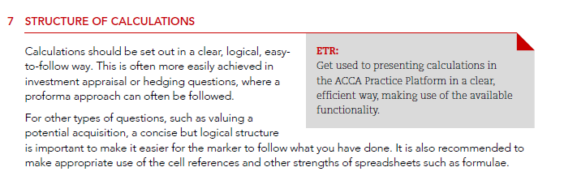
 |  |  |  |  |  |  |  |  |  |  |  | market value of company |  |  |  | 500
 |  |  |  |  |  |  |  |  |  |  |  | no.of shares |  |  |  | 100
 |  |  |  |  |  |  |  |  |  |  |  | market value per share |  |  |  | 5

 |  |  |  |  |  |  |  |  |  |  |  | market value of per share |  |  |  | 5
 |  |  |  |  |  |  |  |  | npv
 |  |  |  |  |  |  |  |  | irr
 |  |  | no. of shares |  | 100 |  |  |  | mirr

 |  |  |  |  |  |  | market value of company |  |  | 500

 |  |  |  |  |  |  |  |  |  |  |  |  |  | 100% | very very very high chance of passing
npv - positive
 |  |  |  |  |  |  |  |  |  |  |  |  | marks
 |  |  |  |  |  |  |  |  |  |  |  | 90 | 100 | attempted
 |  |  |  |  |  |  |  |  |  |  |  | 72 | 80 | if you think that 80%
 |  |  |  |  |  |  |  |  |  |  |  | 57.6 | 64 | you think this is perfect without error
 |  |  |  |  |  |  |  | +923453086312 |  |  |  | 46.08 | 51.2 | examiner marks
 |  |  |  |  |  |  |  | whatsapp group
discuss, recommend whether ……

 |  |  |  |  |  |  |  |  |  | 3hrs and 15mins ==== 195
 |  | Since npv is positive we will go for the project |  |  |  |  |  | section A |  | 2hrs 15mins |  | perfectly | 9/10 |  |  | 110mins
 |  |  |  |  |  |  |  | section B |  | 1hr |  | q1 | 9/10 |  |  | 85mins
 |  |  |  |  |  |  |  |  |  |  |  | q2 | 1/10

 |  |  | learning |  |  | application |  |  |  | questions

 |  |  | learning and appplication simultaneuously |  |  |  |  | test your understanding
 |  |  |  |  |  |  |  | live session

 |  |  |  | december 2020 question # 1 |  |  |  |  | 15 minutes break |  |  |  | 3.35 pak standard time
 |  |  |  |  |  |  |  |  | break
 |  |  |  |  |  |  |  |  | whatsapp for getting added to the grroup

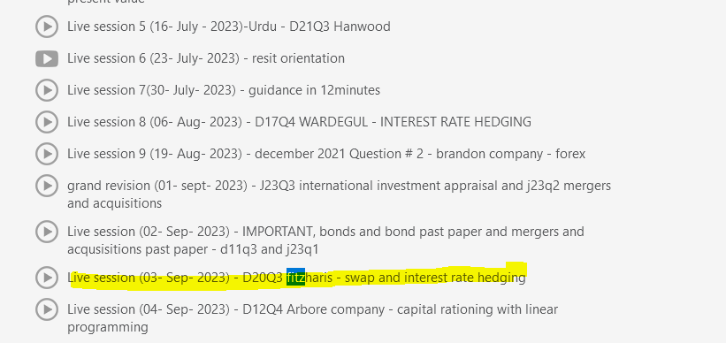

 |  |  |  |  |  |  |  |  |  |  |  |  | september live sessions tab

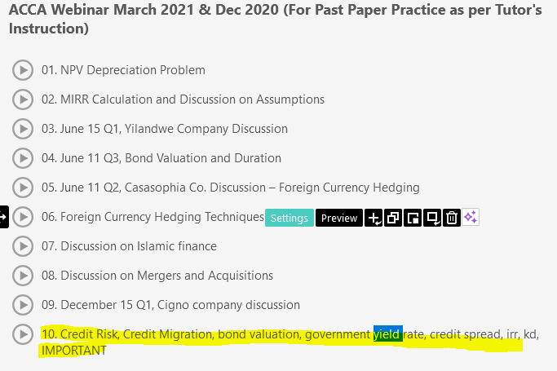

 |  |  |  | helpful material to solve this particular quesiton
 |  |  |  | share on whatsapp group
 |  |  |  | registered and webinars
 |  |  |  | next 3 hours you solve and discuss on whatsapp
 |  |  |  |  |  |  |  |  |  |  |  | live class
 |  |  |  |  |  |  |  |  |  |  |  | game changer live lesson tomorrow
 |  |  |  | wacc |  |  |  |  |  |  |  | 2pm to 5pm
 |  |  |  | irr
 |  |  |  | bonds |  |  |  |  |  |  |  | grand revision session

 |  |  |  |  |  | crash course |  |  |  |  |  | mock exam - live exam
 |  |  |  |  |  | mock exam
 |  |  |  |  |  | debrief
 |  |  |  |  |  | grand revision |  |  |  |  |  | mock debrief
 |  |  |  |  |  | pkr 9,000 and $60

 |  |  |  |  |  |  |  |  |  |  |  | we will have query sessions as per demand
 |  |  |  | 19
 |  |  |  | 8
 |  |  |  | 27 |  | 110% sure

